PrecinctListbyLocation
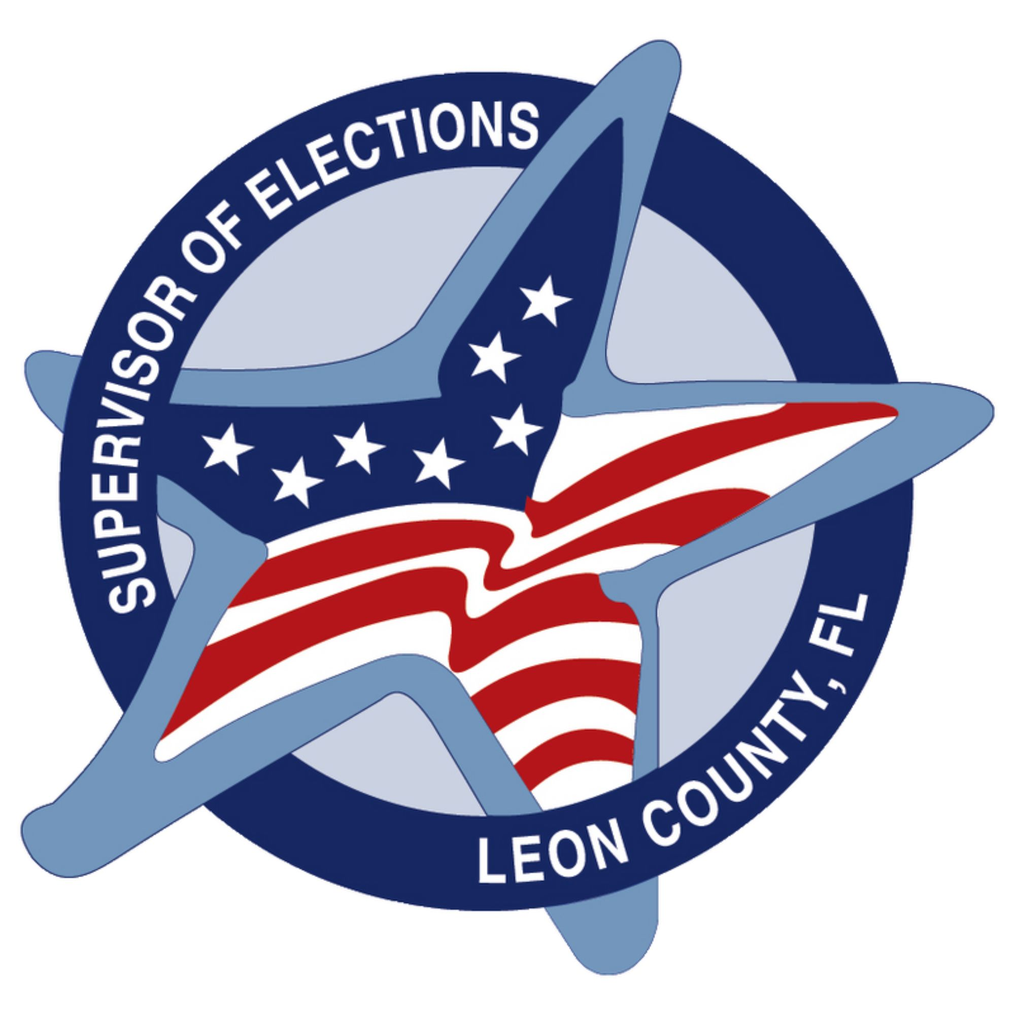
 |  |  | Mark S. Earley
 |  |  | Supervisor of Elections, Leon County Florida
 |  |  | Precinct List by Location Name
 |  |  |  |  |  |  | District Code |  | District Description
 |  |  |  |  |  |  | CC |  | County Commission
 |  |  |  |  |  |  | CNG |  | Congressional District

 |  |  |  |  |  |  | HSE |  | Florida House
 |  |  |  |  |  |  | SB |  | School Board
 |  |  |  |  |  |  | SEN |  | Florida Senate

Pct | Location |  |  |  | Address |  |  | CC |  | SB | CNG | SEN | HSE | City
3513 | Alarm International Ministries |  |  |  | 2532 W Tharpe St |  |  | 3 |  | 5 | 2 | 3 | 8 | Yes
3508 | American Legion |  |  |  | 229 Lake Ella Dr |  |  | 3 |  | 5 | 2 | 3 | 9 | Yes
3509 | American Legion |  |  |  | 229 Lake Ella Dr |  |  | 3 |  | 5 | 2 | 3 | 8 | Yes
2359 | Berean Christian Fellowship |  |  |  | 6214 Bloutstown Hwy |  |  | 2 |  | 3 | 2 | 3 | 8 | No
1319 | Bethel AME Church |  |  |  | 501 Orange Ave W |  |  | 1 |  | 3 | 2 | 3 | 8 | Yes
2451 | Bethel Methodist Church |  |  |  | 1470 Bethel Church Rd |  |  | 2 |  | 4 | 2 | 3 | 8 | No
4119 | Bruce J. Host Northeast Branch Library |  |  |  | 5513 Thomasville Rd |  |  | 4 |  | 1 | 2 | 3 | 9 | Yes
5153 | Calvary Chapel |  |  |  | 8614 Mahan Dr |  |  | 5 |  | 1 | 2 | 3 | 9 | No
4109 | Canopy Amenity Center |  |  |  | 2877 Crestline Rd |  |  | 4 |  | 1 | 2 | 3 | 9 | Yes
4458 | Canopy Roads Baptist Church |  |  |  | 925 Bannerman Rd |  |  | 4 |  | 4 | 2 | 3 | 9 | No
5212 | Capital City Christian Church |  |  |  | 6115 Mahan Dr |  |  | 5 |  | 2 | 2 | 3 | 9 | Yes
5284 | Capital City Christian Church |  |  |  | 6115 Mahan Dr |  |  | 5 |  | 2 | 2 | 3 | 9 | No
5260 | Capital Heights Baptist Church |  |  |  | 7150 Apalachee Pkwy |  |  | 5 |  | 2 | 2 | 3 | 9 | No
5261 | Celebrate New Life Church |  |  |  | 3050 Agape Ln |  |  | 5 |  | 2 | 2 | 3 | 9 | No
4125 | Celebration Baptist Church |  |  |  | 3300 Shamrock St E |  |  | 4 |  | 1 | 2 | 3 | 9 | Yes
4455 | Christ Presbyterian Church |  |  |  | 2317 Bannerman Rd |  |  | 4 |  | 4 | 2 | 3 | 9 | No
1205 | Church at Southwood |  |  |  | 3196 Merchants Row Blvd |  |  | 1 |  | 2 | 2 | 3 | 8 | Yes
1211 | Church at Southwood |  |  |  | 3196 Merchants Row Blvd |  |  | 1 |  | 2 | 2 | 3 | 8 | Yes
1251 | Church at Southwood |  |  |  | 3196 Merchants Row Blvd |  |  | 1 |  | 2 | 2 | 3 | 8 | No
2307 | Crossway Baptist Church |  |  |  | 405 Crossway Rd |  |  | 2 |  | 3 | 2 | 3 | 8 | Yes
2363 | Crossway Baptist Church |  |  |  | 405 Crossway Rd |  |  | 2 |  | 3 | 2 | 3 | 8 | No
2366 | Crossway Baptist Church |  |  |  | 405 Crossway Rd |  |  | 2 |  | 3 | 2 | 3 | 7 | No
3107 | Crossway Church |  |  |  | 1698 Village Square Blvd |  |  | 3 |  | 1 | 2 | 3 | 9 | Yes
4461 | Deer Lake Church |  |  |  | 8013 Deerlake Rd S |  |  | 4 |  | 4 | 2 | 3 | 9 | No
1312 | DKO Providence Community Center |  |  |  | 1908 Highland St |  |  | 1 |  | 3 | 2 | 3 | 8 | Yes
5263 | Dorothy Spence Community Center |  |  |  | 4768 Chaires Cross Rd |  |  | 5 |  | 2 | 2 | 3 | 9 | No
4459 | Epiphany Lutheran Church |  |  |  | 8300 Deerlake Rd |  |  | 4 |  | 4 | 2 | 3 | 9 | No
3501 | Faith Presbyterian Church |  |  |  | 2200 N Meridian Rd |  |  | 3 |  | 5 | 2 | 3 | 8 | Yes
1309 | FAMU Student Union |  |  |  | 1628 S Martin Luther King Jr. Blvd |  |  | 1 |  | 3 | 2 | 3 | 8 | Yes
3457 | Fellowship Baptist Church |  |  |  | 3705 N Monroe St |  |  | 3 |  | 4 | 2 | 3 | 8 | No
3459 | Fellowship Baptist Church |  |  |  | 3705 N Monroe St |  |  | 3 |  | 4 | 2 | 3 | 9 | No
4103 | Fellowship Presbyterian Church |  |  |  | 3158 Shamrock S |  |  | 4 |  | 1 | 2 | 3 | 9 | Yes
4163 | Fellowship Presbyterian Church |  |  |  | 3158 Shamrock S |  |  | 4 |  | 1 | 2 | 3 | 9 | No
5214 | First Church of the Nazarene |  |  |  | 1983 Mahan Dr |  |  | 5 |  | 2 | 2 | 3 | 9 | Yes
5221 | Florida Dept. of Agriculture Complex |  |  |  | 3125 Conner Blvd |  |  | 5 |  | 2 | 2 | 3 | 9 | Yes
2401 | Florida Dept. of Environmental Protection |  |  |  | 3900 Commonwealth Blvd |  |  | 2 |  | 4 | 2 | 3 | 8 | Yes
2513 | Florida Dept. of Environmental Protection |  |  |  | 3900 Commonwealth Blvd |  |  | 2 |  | 5 | 2 | 3 | 8 | Yes
2365 | Fort Braden Community Center |  |  |  | 16387 Blountstown Hwy |  |  | 2 |  | 3 | 2 | 3 | 7 | No
4167 | Four Oaks Community Church |  |  |  | 4500 W Shannon Lakes Dr |  |  | 4 |  | 1 | 2 | 3 | 9 | No
3101 | Freedom Church 1st Assembly of God |  |  |  | 2797 Thomasville Rd |  |  | 3 |  | 1 | 2 | 3 | 9 | Yes
3401 | Freedom Church 1st Assembly of God |  |  |  | 2797 Thomasville Rd |  |  | 3 |  | 4 | 2 | 3 | 9 | Yes
3473 | Friendship AME Church |  |  |  | 5975 Old Bainbridge Rd |  |  | 3 |  | 4 | 2 | 3 | 9 | No
2306 | FSU Rec Sportsplex |  |  |  | 3950 Tyson Rd |  |  | 2 |  | 3 | 2 | 3 | 8 | Yes
1302 | FSU Student Union |  |  |  | 75 N Woodward Ave |  |  | 1 |  | 3 | 2 | 3 | 9 | Yes
1503 | FSU Student Union |  |  |  | 75 N Woodward Ave |  |  | 1 |  | 5 | 2 | 3 | 8 | Yes
1507 | FSU Student Union |  |  |  | 75 N Woodward Ave |  |  | 1 |  | 5 | 2 | 3 | 9 | Yes
2503 | FSU Student Union |  |  |  | 75 N Woodward Ave |  |  | 2 |  | 5 | 2 | 3 | 9 | Yes
2380 | Generations Church |  |  |  | 3080 W Tennessee St |  |  | 2 |  | 3 | 2 | 3 | 8 | No
2511 | Generations Church |  |  |  | 3080 W Tennessee St |  |  | 2 |  | 5 | 2 | 3 | 8 | Yes
5224 | Gospel Light Church |  |  |  | 3415 Apalachee Pkwy |  |  | 5 |  | 2 | 2 | 3 | 8 | Yes
5231 | Gospel Light Church |  |  |  | 3415 Apalachee Pkwy |  |  | 5 |  | 2 | 2 | 3 | 8 | Yes
5262 | Gospel Light Church |  |  |  | 3415 Apalachee Pkwy |  |  | 5 |  | 2 | 2 | 3 | 8 | No
5270 | Gospel Light Church |  |  |  | 3415 Apalachee Pkwy |  |  | 5 |  | 2 | 2 | 3 | 8 | No
5115 | Grace Lutheran Church |  |  |  | 2919 Miccosukee Rd |  |  | 5 |  | 1 | 2 | 3 | 9 | Yes
5165 | Grace Lutheran Church |  |  |  | 2919 Miccosukee Rd |  |  | 5 |  | 1 | 2 | 3 | 9 | No
3507 | Gray Memorial United Methodist Church |  |  |  | 2201 Old Bainbridge Rd |  |  | 3 |  | 5 | 2 | 3 | 8 | Yes
1203 | Hilaman Golf Course |  |  |  | 2737 S Blairstone Rd |  |  | 1 |  | 2 | 2 | 3 | 8 | Yes
1321 | Jack L. McLean Community Center |  |  |  | 700 Paul Russell Rd |  |  | 1 |  | 3 | 2 | 3 | 8 | Yes
5207 | Jackson Lodge |  |  |  | 2818 Apalachee Pkwy |  |  | 5 |  | 2 | 2 | 3 | 8 | Yes
1351 | Jacob Chapel Baptist Church |  |  |  | 2333 Lake Bradford Rd |  |  | 1 |  | 3 | 2 | 3 | 8 | No
2303 | Jacob Chapel Baptist Church |  |  |  | 2333 Lake Bradford Rd |  |  | 2 |  | 3 | 2 | 3 | 8 | Yes
2355 | Jacob Chapel Baptist Church |  |  |  | 2333 Lake Bradford Rd |  |  | 2 |  | 3 | 2 | 3 | 8 | No
1317 | Jake Gaither Community Center |  |  |  | 801 Bragg Dr |  |  | 1 |  | 3 | 2 | 3 | 8 | Yes
4153 | Lafayette Presbyterian Church |  |  |  | 4220 Mahan Dr |  |  | 4 |  | 1 | 2 | 3 | 9 | No
5227 | Lafayette Presbyterian Church |  |  |  | 4220 Mahan Dr |  |  | 5 |  | 2 | 2 | 3 | 9 | Yes
3412 | Lake Jackson Community Center |  |  |  | 3840 N Monroe St |  |  | 3 |  | 4 | 2 | 3 | 8 | Yes
3461 | Lake Jackson Community Center |  |  |  | 3840 N Monroe St |  |  | 3 |  | 4 | 2 | 3 | 9 | No
1502 | Lakeview Baptist Church |  |  |  | 222 W 7th Ave |  |  | 1 |  | 5 | 2 | 3 | 9 | Yes
1501 | Lawrence-Gregory Community Center |  |  |  | 1115 Dade St |  |  | 1 |  | 5 | 2 | 3 | 8 | Yes
3110 | Leon County Public Works Department |  |  |  | 2280 Miccosukee Rd |  |  | 3 |  | 1 | 2 | 3 | 9 | Yes
4157 | Lighthouse Children's Home |  |  |  | 7771 Mahan Dr |  |  | 4 |  | 1 | 2 | 3 | 9 | No
5154 | Lighthouse Children's Home |  |  |  | 7771 Mahan Dr |  |  | 5 |  | 1 | 2 | 3 | 9 | No
1301 | Lincoln Neighborhood Center |  |  |  | 438 W Brevard St |  |  | 1 |  | 3 | 2 | 3 | 8 | Yes
2305 | Lively Technical College |  |  |  | 500 Appleyard Dr |  |  | 2 |  | 3 | 2 | 3 | 8 | Yes
4159 | Miccosukee Community Center |  |  |  | 15011 Cromartie Rd |  |  | 4 |  | 1 | 2 | 3 | 9 | No
3467 | Mission Road Church |  |  |  | 4070 Mission Rd |  |  | 3 |  | 4 | 2 | 3 | 8 | No
2509 | Mission San Luis |  |  |  | 2100 W Tennessee St |  |  | 2 |  | 5 | 2 | 3 | 8 | Yes
5219 | Morningside Baptist Church |  |  |  | 1560 Pedrick Rd |  |  | 5 |  | 2 | 2 | 3 | 9 | Yes
5229 | Morningside Baptist Church |  |  |  | 1560 Pedrick Rd |  |  | 5 |  | 2 | 2 | 3 | 9 | Yes
5251 | Morningside Baptist Church |  |  |  | 1560 Pedrick Rd |  |  | 5 |  | 2 | 2 | 3 | 9 | No
3477 | Northside Community Center |  |  |  | 8005 Oak Grove Rd |  |  | 3 |  | 4 | 2 | 3 | 9 | No
3479 | Northside Community Center |  |  |  | 8005 Oak Grove Rd |  |  | 3 |  | 4 | 2 | 3 | 8 | No
4410 | Northside Community Center |  |  |  | 8005 Oak Grove Rd |  |  | 4 |  | 4 | 2 | 3 | 9 | Yes
3469 | Northwoods Baptist Church |  |  |  | 3762 Capital Circle NW |  |  | 3 |  | 4 | 2 | 3 | 8 | No
5203 | Optimist Park |  |  |  | 1806 Indianhead Dr E |  |  | 5 |  | 2 | 2 | 3 | 9 | Yes
5205 | Optimist Park |  |  |  | 1806 Indianhead Dr E |  |  | 5 |  | 2 | 2 | 3 | 8 | Yes
1303 | Palmer Munroe Teen Center |  |  |  | 1900 Jackson Bluff Rd |  |  | 1 |  | 3 | 2 | 3 | 8 | Yes
2502 | Palmer Munroe Teen Center |  |  |  | 1900 Jackson Bluff Rd |  |  | 2 |  | 5 | 2 | 3 | 9 | Yes
2504 | Palmer Munroe Teen Center |  |  |  | 1900 Jackson Bluff Rd |  |  | 2 |  | 5 | 2 | 3 | 8 | Yes
1322 | Parks & Recreation Dept. |  |  |  | 1201 Myers Park Dr |  |  | 1 |  | 3 | 2 | 3 | 9 | Yes
5201 | Parks & Recreation Dept. |  |  |  | 1201 Myers Park Dr |  |  | 5 |  | 2 | 2 | 3 | 9 | Yes
5202 | Parks & Recreation Dept. |  |  |  | 1201 Myers Park Dr |  |  | 5 |  | 2 | 2 | 3 | 8 | Yes
5220 | Piney Z Lodge |  |  |  | 950 Piney Z Plantation Rd |  |  | 5 |  | 2 | 2 | 3 | 9 | Yes
4101 | Premier Health & Fitness Center |  |  |  | 3521 Maclay Blvd |  |  | 4 |  | 1 | 2 | 3 | 9 | Yes
4401 | Premier Health & Fitness Center |  |  |  | 3521 Maclay Blvd |  |  | 4 |  | 4 | 2 | 3 | 9 | Yes
3453 | Salvation Army |  |  |  | 2410 Allen Rd |  |  | 3 |  | 4 | 2 | 3 | 9 | No
3502 | Salvation Army |  |  |  | 2410 Allen Rd |  |  | 3 |  | 5 | 2 | 3 | 8 | Yes
3551 | Salvation Army |  |  |  | 2410 Allen Rd |  |  | 3 |  | 5 | 2 | 3 | 8 | No
3411 | Seminole Baptist Church |  |  |  | 3330 Mission Rd |  |  | 3 |  | 4 | 2 | 3 | 8 | Yes
1313 | Smith-Williams Service Center |  |  |  | 2295 Pasco St |  |  | 1 |  | 3 | 2 | 3 | 8 | Yes
1255 | Southwood Baptist Church |  |  |  | 5177 Capital Circle SW |  |  | 1 |  | 2 | 2 | 3 | 8 | No
1327 | Southwood Baptist Church |  |  |  | 5177 Capital Circle SW |  |  | 1 |  | 3 | 2 | 3 | 8 | Yes
1355 | Southwood Baptist Church |  |  |  | 5177 Capital Circle SW |  |  | 1 |  | 3 | 2 | 3 | 8 | No
5225 | Southwood Community Center |  |  |  | 4675 Grove Park Dr |  |  | 5 |  | 2 | 2 | 3 | 9 | Yes
1505 | Springfield Community Center |  |  |  | 1702 Joe Louis St |  |  | 1 |  | 5 | 2 | 3 | 8 | Yes
4105 | St. Peter Primitive Baptist Church |  |  |  | 2565 Centerville Rd |  |  | 4 |  | 1 | 2 | 3 | 9 | Yes
4184 | St. Peter Primitive Baptist Church |  |  |  | 2565 Centerville Rd |  |  | 4 |  | 1 | 2 | 3 | 9 | No
5104 | Sue Herndon McCollum Community Center |  |  |  | 501 Ingleside Ave |  |  | 5 |  | 1 | 2 | 3 | 8 | Yes
5105 | Sue Herndon McCollum Community Center |  |  |  | 501 Ingleside Ave |  |  | 5 |  | 1 | 2 | 3 | 9 | Yes
4408 | Summerbrooke Golf Club |  |  |  | 7505 Preservation Rd |  |  | 4 |  | 4 | 2 | 3 | 9 | Yes
9000 | Supervisor of Elections Office |  |  |  | 2990 Apalachee Pkwy |  |  | 5 |  | 2 | 2 | 3 | 8 | No
5103 | Tallahassee Elks Lodge |  |  |  | 276 N Magnolia Dr |  |  | 5 |  | 1 | 2 | 3 | 9 | Yes
5209 | Tallahassee Elks Lodge |  |  |  | 276 N Magnolia Dr |  |  | 5 |  | 2 | 2 | 3 | 9 | Yes
4161 | The Retreat at Bradley's Pond |  |  |  | 9002 Bradley Rd |  |  | 4 |  | 1 | 2 | 3 | 9 | No
3103 | Thomasville Road Baptist Church |  |  |  | 3131 Thomasville Rd |  |  | 3 |  | 1 | 2 | 3 | 9 | Yes
3403 | Thomasville Road Baptist Church |  |  |  | 3131 Thomasville Rd |  |  | 3 |  | 4 | 2 | 3 | 9 | Yes
5211 | Town East Baptist Church |  |  |  | 1055 Richview Rd |  |  | 5 |  | 2 | 2 | 3 | 9 | Yes
2507 | Truth Gatherers Dream Center |  |  |  | 1317 High Rd |  |  | 2 |  | 5 | 2 | 3 | 8 | Yes
3451 | Unitarian Universalist Church |  |  |  | 2810 N Meridian Rd |  |  | 3 |  | 4 | 2 | 3 | 9 | No
3455 | Unitarian Universalist Church |  |  |  | 2810 N Meridian Rd |  |  | 3 |  | 4 | 2 | 3 | 9 | No
4451 | Unitarian Universalist Church |  |  |  | 2810 N Meridian Rd |  |  | 4 |  | 4 | 2 | 3 | 9 | No
5110 | United Church of Tallahassee |  |  |  | 1834 Mahan Dr |  |  | 5 |  | 1 | 2 | 3 | 9 | Yes
4403 | Vantage Church |  |  |  | 2915 Kerry Forest Pkwy |  |  | 4 |  | 4 | 2 | 3 | 9 | Yes
4453 | Vantage Church |  |  |  | 2915 Kerry Forest Pkwy |  |  | 4 |  | 4 | 2 | 3 | 9 | No
5101 | Westminster Gardens |  |  |  | 301 E Carolina St |  |  | 5 |  | 1 | 2 | 3 | 9 | Yes
4155 | Westminster Oaks |  |  |  | 1221 Commencement Cove |  |  | 4 |  | 1 | 2 | 3 | 9 | No
3413 | Wildwood Presbyterian Church |  |  |  | 100 Ox Bottom Rd |  |  | 3 |  | 4 | 2 | 3 | 9 | Yes
3475 | Wildwood Presbyterian Church |  |  |  | 100 Ox Bottom Rd |  |  | 3 |  | 4 | 2 | 3 | 9 | No
4405 | Wildwood Presbyterian Church |  |  |  | 100 Ox Bottom Rd |  |  | 4 |  | 4 | 2 | 3 | 9 | Yes
1257 | Woodville Community Center |  |  |  | 8000 Old Woodville Rd |  |  | 1 |  | 2 | 2 | 3 | 7 | No
1361 | Woodville Community Center |  |  |  | 8000 Old Woodville Rd |  |  | 1 |  | 3 | 2 | 3 | 8 | No
1362 | Woodville Community Center |  |  |  | 8000 Old Woodville Rd |  |  | 1 |  | 3 | 2 | 3 | 7 | No
2252 | Woodville Community Center |  |  |  | 8000 Old Woodville Rd |  |  | 2 |  | 2 | 2 | 3 | 7 | No
2253 | Woodville Community Center |  |  |  | 8000 Old Woodville Rd |  |  | 2 |  | 2 | 2 | 3 | 8 | No

Total Precincts: |  | 134 |  | Total Locations: |  | 84

